TOP 10
OBJECTIVE 1: To illustrate the top 10 countries based on Happiness score from 2018 to 2020.
TOOL: EXCEL
TECHNIQUE: Sorted the data in descending order based on happiness score for every year: 2018, 2019 and 2020 and then to present it in graphical form,
a clustered bar chart was used.

OUTPUT

Top 10 Happiest Countries - 2018
 | Happiness Score
Finland | 7.632
Norway | 7.594
Denmark | 7.555
Iceland | 7.495
Switzerland | 7.487
Netherlands | 7.441
Canada | 7.328
New Zealand | 7.324
Sweden | 7.314
Australia | 7.272

Top 10 Happiest Countries - 2019
 | Happiness Score
Finland | 7.769
Denmark | 7.6
Norway | 7.554
Iceland | 7.494
Netherlands | 7.488
Switzerland | 7.48
Sweden | 7.343
New Zealand | 7.307
Canada | 7.278
Austria | 7.246

Top 10 Happiest Countries - 2020
 | Happiness Score
Finland | 7.809
Denmark | 7.646
Switzerland | 7.56
Iceland | 7.504
Norway | 7.488
Netherlands | 7.449
Sweden | 7.353
New Zealand | 7.3
Austria | 7.294
Luxembourg | 7.238

OBSERVATION: Finland has the highest happiness score since 2018 and is the happiest country in the world and Switzerland struggled between fifth and
sixth position to be finally stood among top 3 happiest countries in 2020. Even though Australia was among top 10 happiest countries in 2018, it was
nowhere to be seen in 2019 and 2020.

BOTTOM 10
OBJECTIVE 2: To illustrate the bottom 10 countries based on Happiness score from 2018 to 2020.
TOOL: EXCEL
TECHNIQUE: Sorted the data in ascending order based on happiness score for every year: 2018, 2019 and 2020 and then to present it in graphical form,
a clustered bar chart was used.

OUTPUT

Bottom 10 Happiest Countries - 2018
Malawi | 3.587
Haiti | 3.582
Liberia | 3.495
Syria | 3.462
Rwanda | 3.408
Yemen | 3.355
Tanzania | 3.303
South Sudan | 3.254
Central African Republic | 3.083
Burundi | 2.905

Bottom 10 Happiest Countries - 2019
Haiti | 3.597
Botswana | 3.488
Syria | 3.462
Malawi | 3.41
Yemen | 3.38
Rwanda | 3.334
Tanzania | 3.231
Afghanistan | 3.203
Central African Republic | 3.083
South Sudan | 2.853

Bottom 10 Happiest Countries - 2020
India | 3.573
Malawi | 3.538
Yemen | 3.527
Botswana | 3.479
Tanzania | 3.476
Central African Republic | 3.476
Rwanda | 3.312
Zimbabwe | 3.299
South Sudan | 2.817
Afghanistan | 2.567

OBSERVATION: Burundi has the lowest happiness score in 2018 and after that showed an incredible jump in terms of happiness score in 2019 and 2020.
India showed a decreasing trend in happiness score and in 2020, it was in bottom 10. This came as surprising because even though Idia's rank is 5th
among the top economies in the world, people seem to be very unhappy in India.

REGION-HAPPY
OBJECTIVE 3: To show the region-wise distribution of happy countries for years 2018, 2019 and 2020.
TOOL: EXCEL
TECHNIQUE: Made three pivot tables for every year 2018, 2019 and 2020 and was filtered on the basis of Happiness Rank. This was done to know about the distribution
of happy countries (data set was sorted in descending order and was divided into two sections - the first half comprised of relatively better happiness scores and the
second half with lower happiness scores) belonging to different regions. The upper-half was considered for this objective. And clustered bar chart was used.

YEAR - 2018
Region-wise distribution of Happy Countries - 2018
Happiness Rank | (Multiple Items)

REGION | No. of Countries
Central and Eastern Europe | 11
Commonwealth of Independent States | 6
East Asia | 3
Latin America and Caribbean | 19
Middle East and North Africa | 8
North America and ANZ | 4
South Asia | 1
Southeast Asia | 5
Sub-Saharan Africa | 1
Western Europe | 20
Grand Total | 78

YEAR - 2019
Region-wise distribution of Happy Countries - 2019
Happiness Rank | (Multiple Items)

REGION | No. of Countries
Central and Eastern Europe | 14
Commonwealth of Independent States | 5
East Asia | 3
Latin America and Caribbean | 19
Middle East and North Africa | 7
North America and ANZ | 4
South Asia | 1
Southeast Asia | 4
Sub-Saharan Africa | 1
Western Europe | 20
Grand Total | 78

YEAR - 2020
Region-wise distribution of Happy Countries - 2020
Happiness Rank | (Multiple Items)

REGION | No. of Countries
Central and Eastern Europe | 13
Commonwealth of Independent States | 7
East Asia | 3
Latin America and Caribbean | 19
Middle East and North Africa | 5
North America and ANZ | 4
South Asia | 1
Southeast Asia | 3
Sub-Saharan Africa | 1
Western Europe | 20
Grand Total | 76

OBSERVATION: The more happy countries belong to Western Europe and Latin America and Carribean regions while a fair amount is in Central and Eastern
Europe over the time-period (2018-2020). It means that these regions have extensive welfare benefits, low levels of corruption, and a well-functioning democracy.

REGION-UNHAPPY
OBJECTIVE 4: To show the region-wise distribution of unhappy countries for years 2018, 2019 and 2020.
TOOL: EXCEL
TECHNIQUE: Made three pivot tables for every year 2018, 2019 and 2020 and was filtered on the basis of Happiness Rank. This was done to know about the distribution
of unhappy countries (data set was sorted in descending order and was divided into two sections - the first half comprised of relatively better happiness scores and the
second half with lower happiness scores) belonging to different regions. The lower half was considered for this objective. And then clustered bar chart was used.

YEAR - 2018

Region-wise distribution of Unhappy Countries - 2018
Happiness Rank | (Multiple Items)

REGION | No. of Countries
Central and Eastern Europe | 7
Commonwealth of Independent States | 6
East Asia | 2
Latin America and Caribbean | 3
Middle East and North Africa | 11
South Asia | 6
Southeast Asia | 6
Sub-Saharan Africa | 36
Western Europe | 1
Grand Total | 78

YEAR - 2019

Region-wise distribution of Unhappy Countries - 2019
Happiness Rank | (Multiple Items)

REGION | No. of Countries
Central and Eastern Europe | 3
Commonwealth of Independent States | 7
East Asia | 2
Latin America and Caribbean | 2
Middle East and North Africa | 12
South Asia | 6
Southeast Asia | 6
Sub-Saharan Africa | 39
Western Europe | 1
Grand Total | 78

YEAR - 2020
Region-wise distribution of Unhappy Countries - 2020
Happiness Rank | (Multiple Items)

REGION | No. of Countries
Central and Eastern Europe | 4
Commonwealth of Independent States | 5
East Asia | 3
Latin America and Caribbean | 2
Middle East and North Africa | 12
South Asia | 6
Southeast Asia | 6
Sub-Saharan Africa | 38
Western Europe | 1
Grand Total | 77

OBSERVATION: Sub-Saharan Africa has the highest number of countries having low happiness scores over the time-period (2018-2020). This is unsurprising because this region
has been frequently affected by diseases, has lacked proper human resources, infrastructure and has had a long history of civil unrest.

SCATTERPLOT 1
OBJECTIVE 8: To perform the bivariate analysis between the target variable (Happiness Score) and the different factors (GDP per Capita, Social Support and Healthy Life Expectancy).
TOOL: SPSS
TECHNIQUE: The data set with the average values of all the factors was considered over a period of three years (2018-2020). The data was imported to
SPSS and sctterplot was drawn to see the relationship between the happiness score and the mentioned factors.

OUTPUT

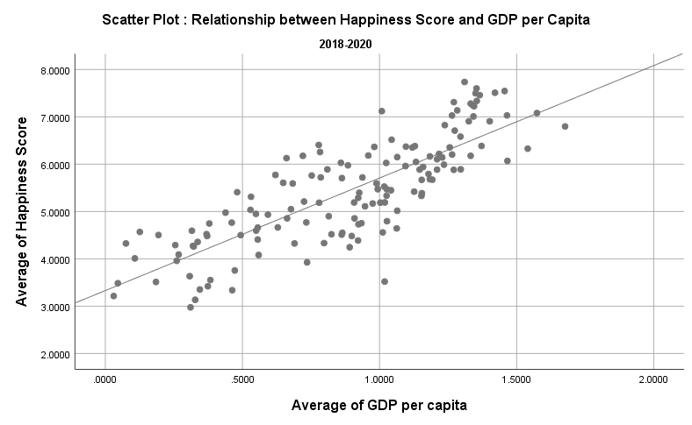
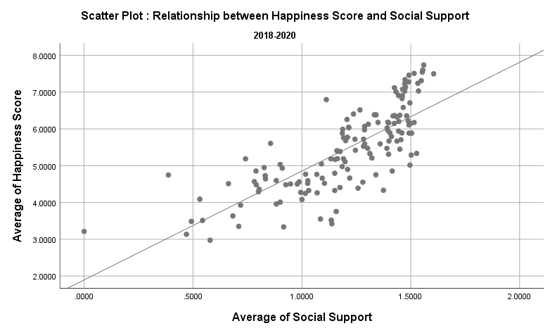

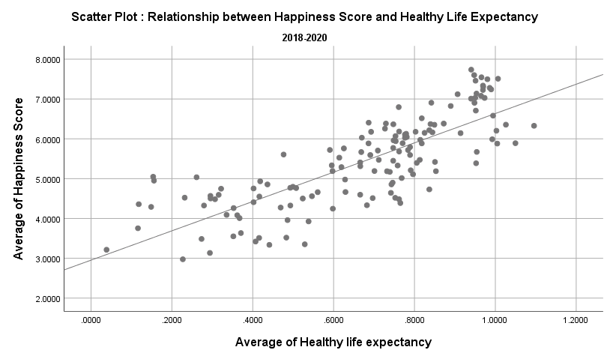

OBSERVATION: The above graphs show that the happiness score is linearly related (positive linear relationship) with GDP per capita, Social support and Healthy life expectancy.

SCATTERPLOT 2
OBJECTIVE 9: To perform the bivariate analysis between the target variable (Happiness Score) and the different factors (Freedom to make life choices, Generosity and Perceptions of Corruption.
TOOL: SPSS
TECHNIQUE: The data set with the average values of all the factors was considered over a period of three years (2018-2020). The data was imported to
SPSS and sctterplot was drawn to see the relationship between the happiness score and the mentioned factors.

OUTPUT
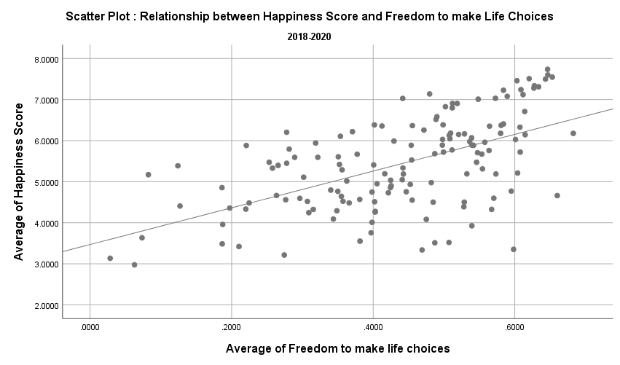
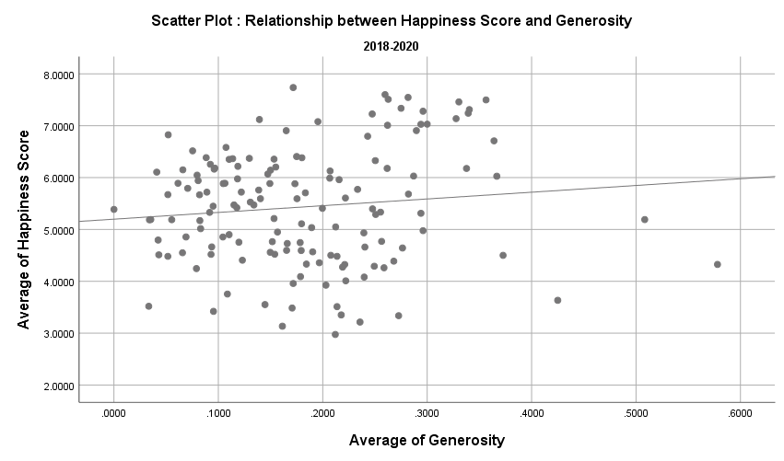

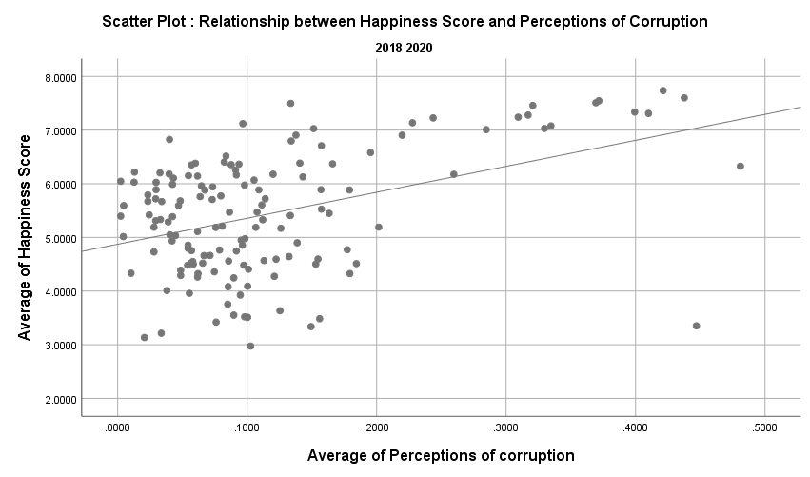

OBSERVATION: There exists a positive linear relationship between happiness score and freedom to make life choices while Generosity and Perceptions of corruption shows a weak linear relationship
implying less impact on happiness score.

REGRESSION
OBJECTIVE: To assess the impact of various life factors such as GDP per Capita, Social Support, Life Expectancy, Freedom, Generosity and Perception of Corruption on Happiness Score.
TOOL: SPSS
TECHNIQUE: Run the multiple linear regression model in SPSS.

HYPOTHESIS
NULL HYPOTHESIS (H0): There is no significant impact various life factors such as GDP per Capita, Social Support, Life Expectancy, Freedom, Generosity and Perception of Corruption on Happiness Score.
ALTERNATE HYPOTHESIS (H1): There is a significant impact various life factors such as GDP per Capita, Social Support, Life Expectancy, Freedom, Generosity and Perception of Corruption on Happiness Score.

OUTPUT

Model Summaryb |  |  |  |  |  |  |  |  |  |  | ANOVAa
Model | R | R Square | Adjusted R Square | Std. Error of the Estimate | Change Statistics |  |  |  |  | Durbin-Watson | Model |  | Sum of Squares | df | Mean Square | F | Sig.
 |  |  |  |  | R Square Change | F Change | df1 | df2 | Sig. F Change |  | 1 | Regression | 141.629 | 6 | 23.605 | 85.978 | .000b
1 | .889a | 0.790 | 0.781 | 0.5239710 | 0.790 | 85.978 | 6 | 137 | 0.000 | 1.882 |  | Residual | 37.613 | 137 | 0.275
a. Predictors: (Constant), Average of Perceptions of corruption, Average of Social Support, Average of Generosity, Average of Freedom to make life choices, Average of Healthy life expectancy, Average of GDP per capita |  |  |  |  |  |  |  |  |  |  |  | Total | 179.241 | 143
b. Dependent Variable: Average of Happiness Score |  |  |  |  |  |  |  |  |  |  | a. Dependent Variable: Average of Happiness Score
 |  |  |  |  |  |  |  |  |  |  | b. Predictors: (Constant), Average of Perceptions of corruption, Average of Social Support, Average of Generosity, Average of Freedom to make life choices, Average of Healthy life expectancy, Average of GDP per capita

OBSERVATION: The R represents the multiple correlation coefficient which can be one measure of the quality of prediction of the dependent variable, in this case Happiness score. A value of 0.889 indicates a good
level of prediction. The Rsquare represents the coefficient of determination, which is the proportion of variance in the dependent variable that can be explained by the independent variable. We can see from our
value of 0.790 that the independent variable explains 79% of the variability of monthly expenditure. The adjusted R2 also shows the same but adjusts for the number of each variable added in the model.
The Durbin-Watson statistic, d=1.882, which is between the two critical values of 1.5 < d < 2.5. Thus, we assume that there is no first order linear auto-correlation in our multiple linear regression model.

The ANOVA table shows that the overall regression model is a good fit for the data or not. We can interpret that the independent variables significantly predict the dependent variable, that is, happiness score since F value is
85.978 and p-value is 0.000 which is less than the level of significance (0.05). Hence, we reject the null hypothesis and states that there is a significant impact various life factors such as GDP per Capita, Social
Support, Life Expectancy, Freedom, Generosity and Perception of Corruption on Happiness Score.Therefore, we can say that the regression model is a good fit for the data.

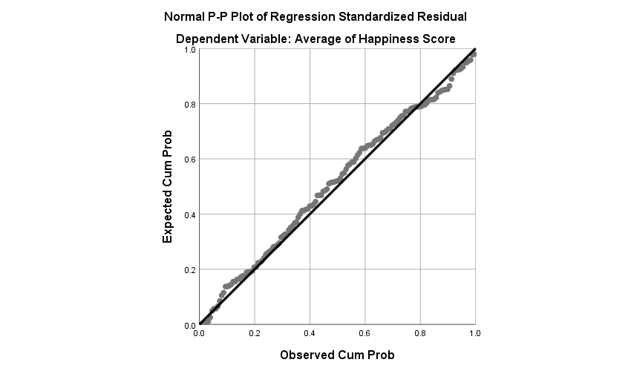
Coefficientsa
Model |  | Unstandardized Coefficients |  | Standardized Coefficients | t | Sig. | Collinearity Statistics
 |  | B | Std. Error | Beta |  |  | Tolerance | VIF
1 | (Constant) | 1.840 | 0.213 |  | 8.640 | 0.000
 | Average of GDP per capita | 0.921 | 0.240 | 0.314 | 3.829 | 0.000 | 0.228 | 4.393
 | Average of Social Support | 1.023 | 0.245 | 0.268 | 4.183 | 0.000 | 0.374 | 2.677
 | Average of Healthy life expectancy | 1.090 | 0.365 | 0.237 | 2.984 | 0.003 | 0.244 | 4.101
 | Average of Freedom to make life choices | 1.327 | 0.389 | 0.169 | 3.416 | 0.001 | 0.625 | 1.600
 | Average of Generosity | 0.719 | 0.500 | 0.062 | 1.437 | 0.153 | 0.811 | 1.233
 | Average of Perceptions of corruption | 0.916 | 0.525 | 0.082 | 1.743 | 0.084 | 0.688 | 1.454
a. Dependent Variable: Average of Happiness Score

OBSERVATION: The table shows the statistical significance of each of the independent variables. Since P value is less than 0.05 for all the factors except Generosity and Perceptions of Corruption, it implies that
except for those every factor is a significant predictor. It can also be seen that GDP per Capita and Social Support have the highest impact on Happiness score. The above table also checks for multicollinearity in the
model. It shows that there is an absence of multicollinearity since the tolerance values are greater than 0.1 (or VIF < 10).
The regression equation is as follows:
Happiness Score= 1.84 + 0.921*(GDP per Capita) + 1.023*(Social Support) + 1.09*(Healthy Life Expectancy) + 1.327*(Freedom to make Life Choices) + 0.719*(Generosity) + 0.916*(Perceptions of Corruption).

Upon examining the normal P-P plot of regression standardized residual, it can be seen that the values follow the normal (diagonal) line with no significant deviations. This means that the residuals are normally
distributed. It verifies the assumption of Normality for the regression model.

